Sheet1
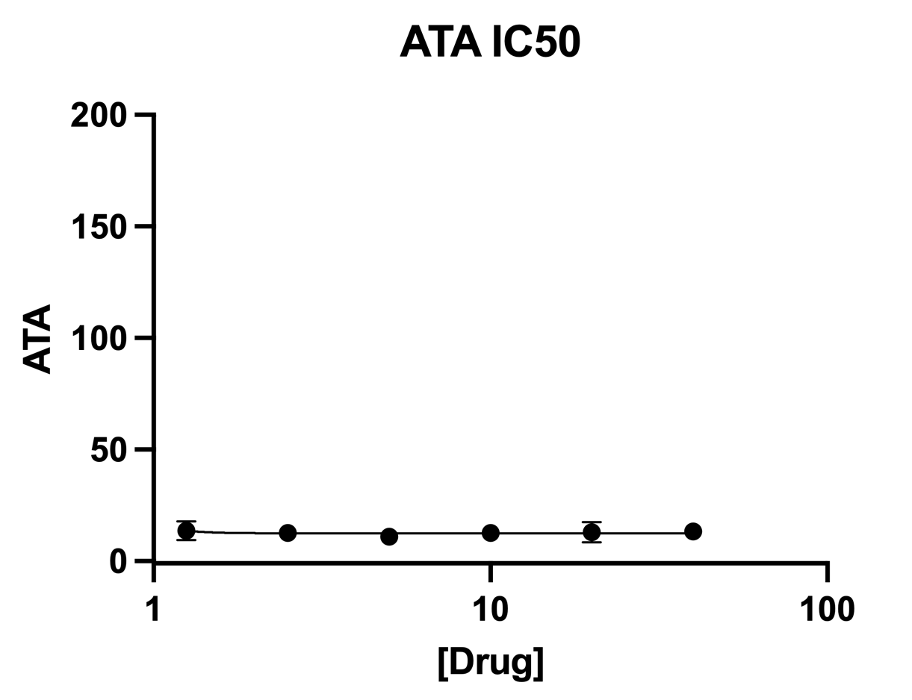
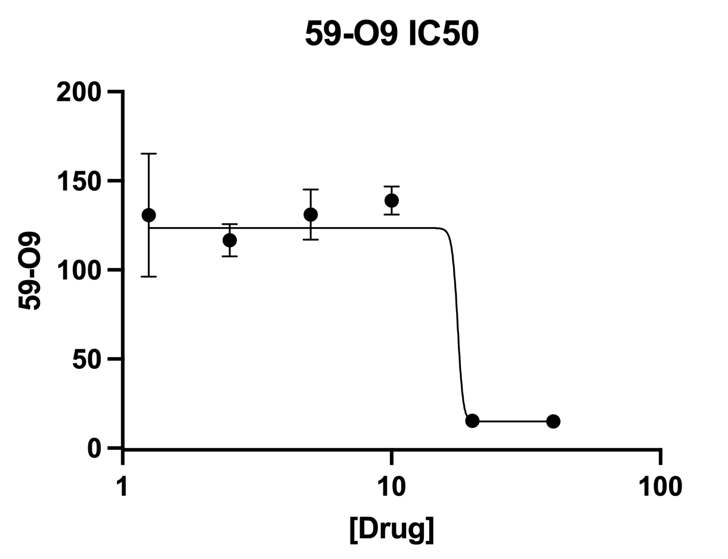
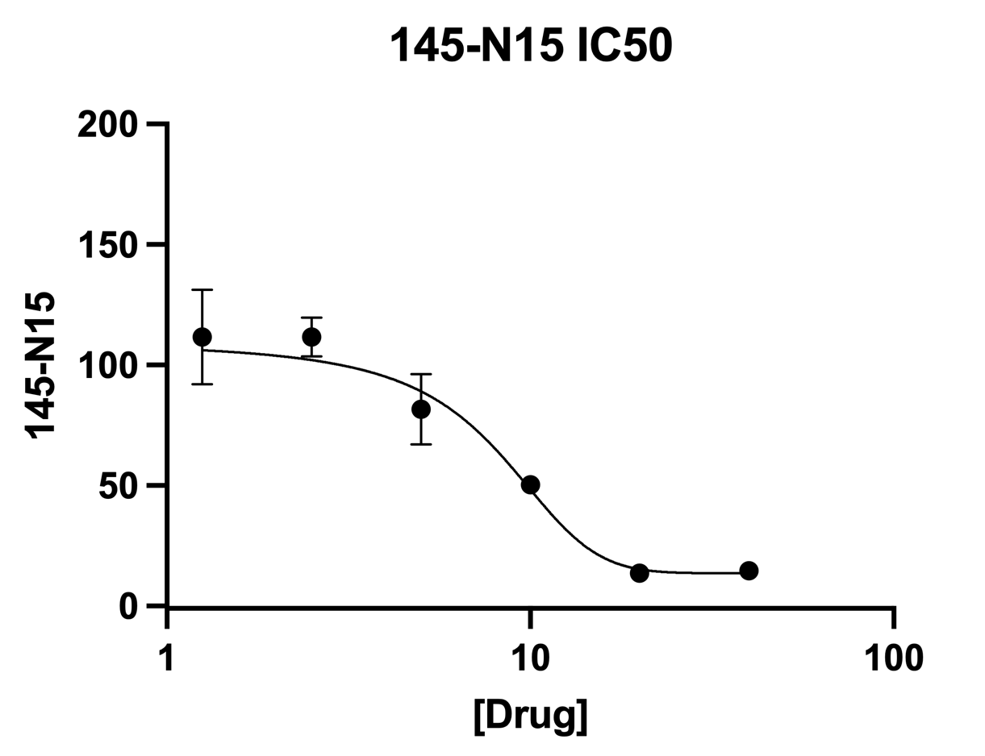
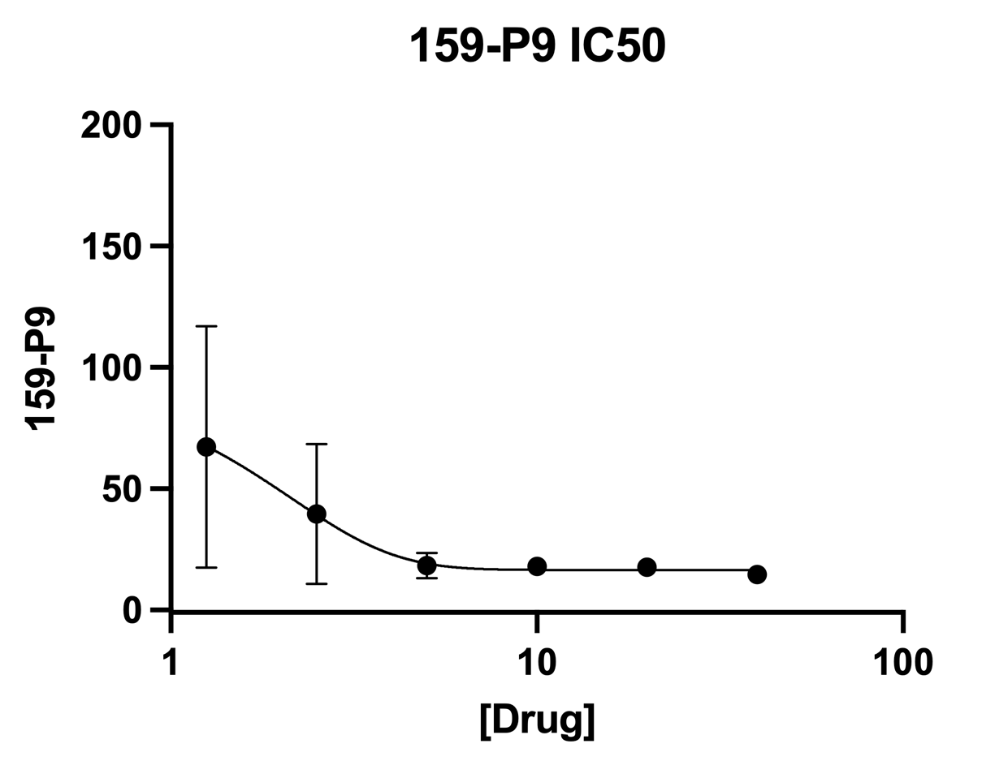
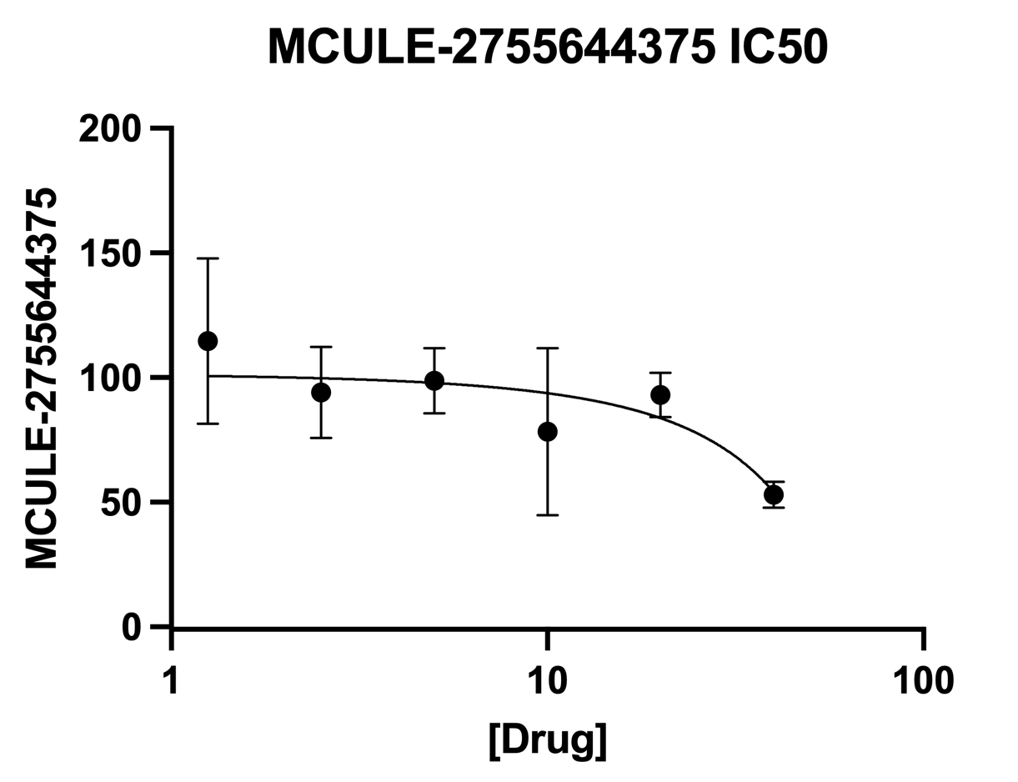
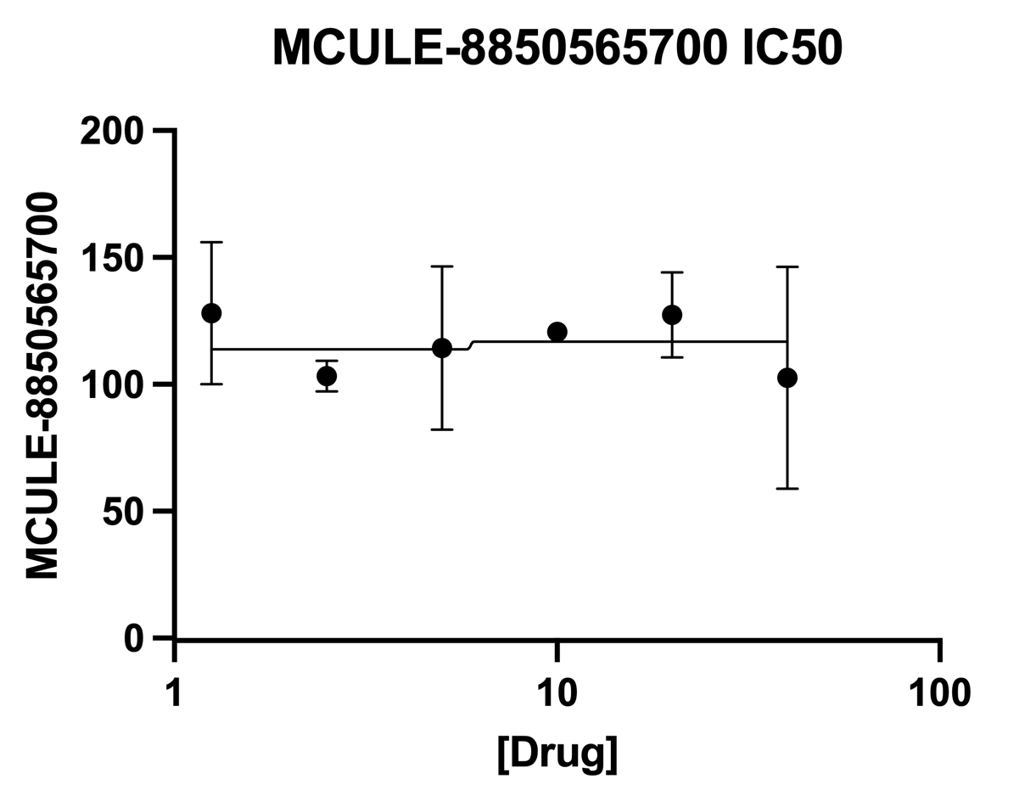
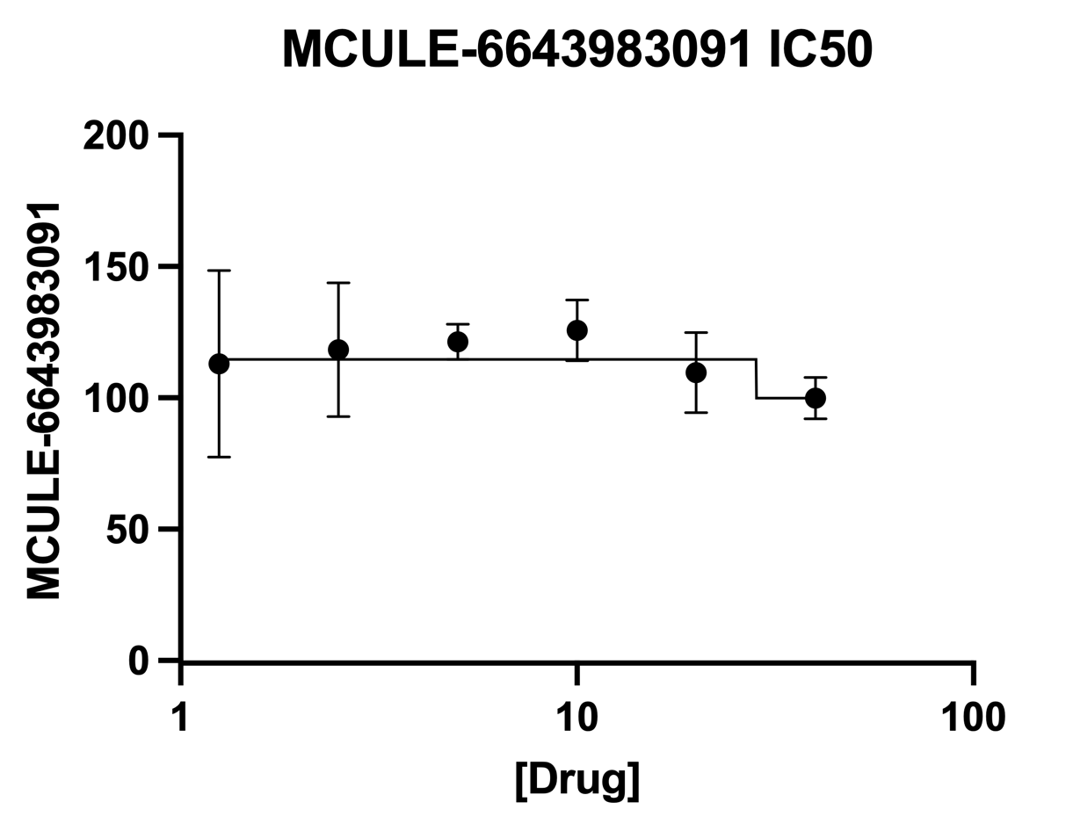
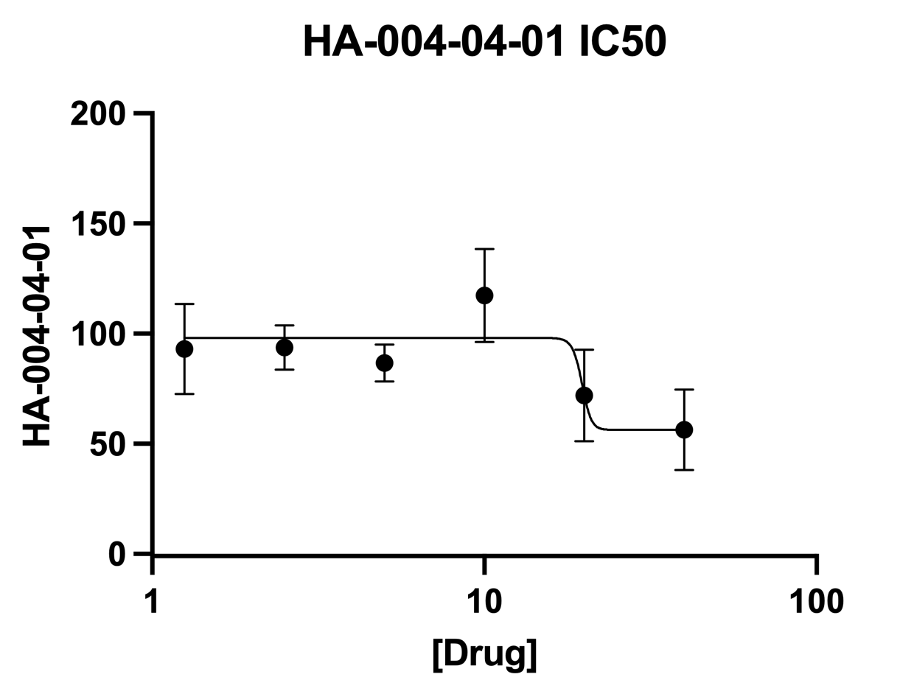
Experimental Description:
100nM enzyme, 83.33333333nM probe, drug in 2-fold dilutions from 40uM to 0uM, values are percent compared to DMSO

Data:
[Drug] | ATA |  |  | [Drug] | 59-O9 |  |  | [Drug] | 145-N15 |  |  | [Drug] | 159-P9 |  |  | [Drug] | MCULE-2755644375 |  |  | [Drug] | MCULE-8850565700 |  |  | [Drug] | MCULE-6643983091 |  |  | [Drug] | HA-004-04-01
40 | 15 | 9 | 16 | 40 | 15 | 12 | 18 | 40 | 15 | 11 | 18 | 40 | 17 | 12 | 15 | 40 | 51 | 49 | 59 | 40 | 112 | 55 | 141 | 40 | 106 | 91 | 103 | 40 | 53 | 40 | 76
20 | 14 | 8 | 17 | 20 | 15 | 12 | 19 | 20 | 15 | 10 | 16 | 20 | 18 | 14 | 21 | 20 | 93 | 84 | 102 | 20 | 137 | 108 | 137 | 20 | 104 | 98 | 127 | 20 | 85 | 48 | 83
10 | 12 | 11 | 15 | 10 | 136 | 133 | 148 | 10 | 50 | 47 | 54 | 10 | 20 | 15 | 19 | 10 | 102 | 93 | 40 | 10 | 119 | 119 | 124 | 10 | 138 | 124 | 115 | 10 | 131 | 93 | 128
5 | 12 | 11 | 10 | 5 | 126 | 120 | 147 | 5 | 92 | 88 | 65 | 5 | 24 | 14 | 17 | 5 | 113 | 87 | 96 | 5 | 151 | 91 | 101 | 5 | 129 | 119 | 116 | 5 | 84 | 80 | 96
2.5 | 14 | 12 | 12 | 2.5 | 125 | 118 | 107 | 2.5 | 121 | 107 | 107 | 2.5 | 73 | 21 | 25 | 2.5 | 115 | 85 | 82 | 2.5 | 110 | 98 | 102 | 2.5 | 134 | 89 | 132 | 2.5 | 103 | 83 | 95
1.25 | 17 | 9 | 15 | 1.25 | 147 | 91 | 154 | 1.25 | 130 | 91 | 114 | 1.25 | 124 | 30 | 48 | 1.25 | 150 | 84 | 110 | 1.25 | 140 | 148 | 96 | 1.25 | 147 | 76 | 116 | 1.25 | 113 | 72 | 94
0 | 151 | 71 | 78 | 0 | 134 | 65 | 102 | 0 | 136 | 70 | 94 | 0 | 129 | 78 | 93 | 0 | 158 | 62 | 79 | 0 | 168 | 62 | 70 | 0 | 147 | 70 | 83 | 0 | 138 | 71 | 91

